Sheet1
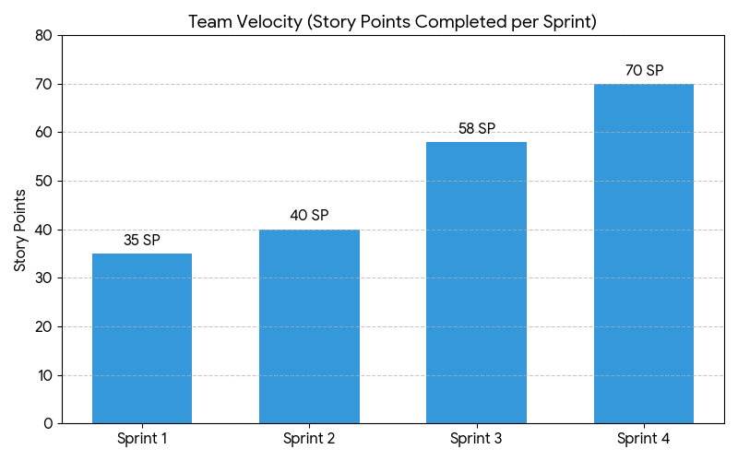
EVM All Sprints
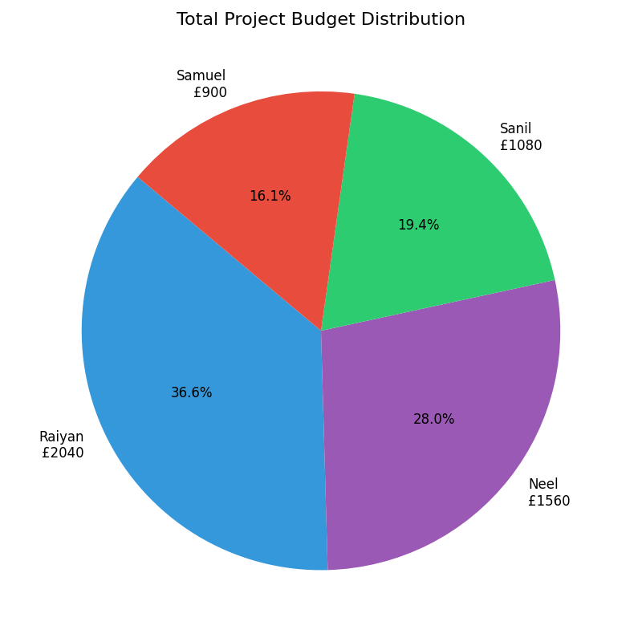
Metric | Value | Unit |  | Metric | Calculate
EV (Earned Value) | £5,580 | GBP |  | EV | PV to date * RP
PV (Planned Value) | £5,580 | GBP |  | PV
AC (Actual Cost) | £5,580 | GBP |  | AC
 |  |  |  | CV | EV-AC
CV (Cost Variance) | 0 | GBP |  | SV | EV-PV
SV (Schedule Variance) | 0 | GBP |  | CPI | EV/AC
 |  |  |  | SPI | EV/PV
CPI (Cost Performance Index) | 1 |  |  | BAC
SPI (Schedule Performance Index) | 1 |  |  | EAC | BAC/CPI
 |  |  |  | VAC | BAC-EAC
BAC (Budget at Completion) | £5,580 | GBP
EAC (Estimate at Completion) | 5580 | GBP
VAC (Variance at Completion) | 0 | GBP

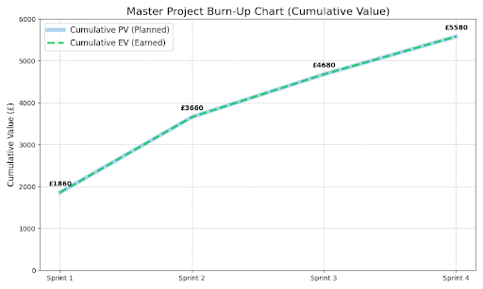
Total Planned Story Points | 203
Total Planned Hours | 372
Yearly Salary | £30,000
Hourly Rate | £15 | (£30000/52 weeks/40 hours)
Daily Rate | £15*4 = £60 | Each day counts as 4 hours
Cost per Point | (372*15)/203=£27.49 per point

Team Member | Units Contributed | Cost Contribution (£60/unit)
Raiyan | 34 | £2,040
Neel | 26 | £1,560
Samuel | 15 | £900
Sanil | 18 | £1,080
Total | 93 | £5,580

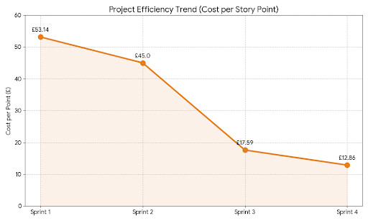
Sprint | Dates | PV (£) | AC (£) | Points | Cost/Point
Sprint 1 | 12 Nov - 03 Dec | £1,860 | £1,860 | 35 | £53.14
Sprint 2 | 04 Dec - 18 Dec | £1,800 | £1,800 | 40 | £45.00
Sprint 3 | 19 Dec - 25 Dec | £1,020 | £1,020 | 58 | £17.59
Sprint 4 | 26 Dec - 01 Jan | £900 | £900 | 70 | £12.86
TOTAL | All Sprints | £5,580 | £5,580 | 203 | £27.49

The table above shows that as the project progressed, the Cost per Story Point decreased significantly showing that
we as a team became more efficient over time as each Sprint went by
Overall, there was a 75% reduction in Cost per Point from the first to the last Sprint.

